Sheet1
Mning employment

https://www.statssa.gov.za/?p=14682#:~:text=The%20South%20African%20mining%20industry%20employed%20514%20859,smaller%20recruiter%2C%20employing%205%20of%20every%20100%20employees.
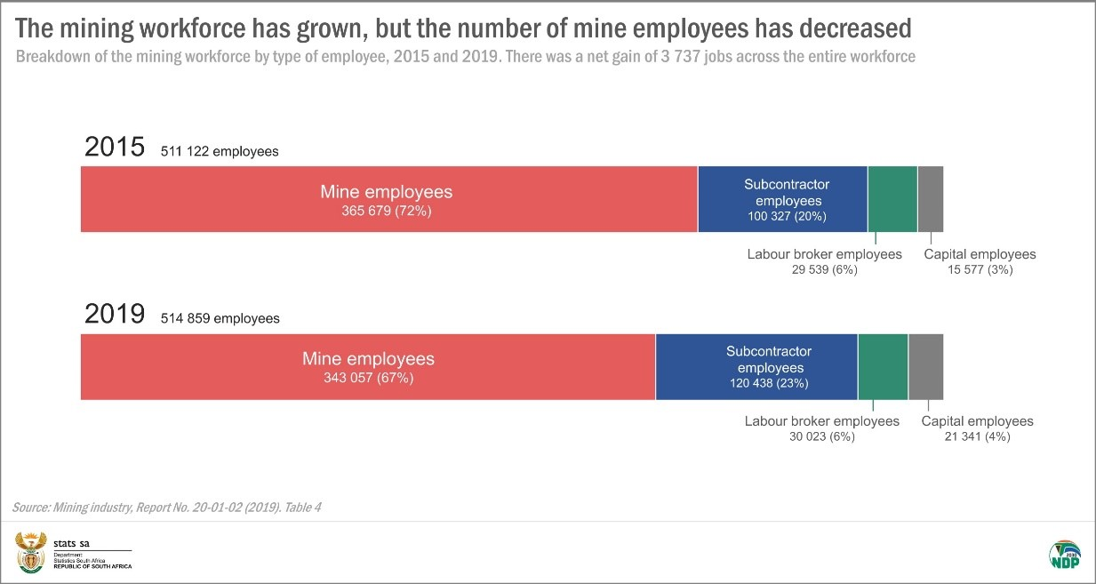
Mining | 2019 | 514,859 | 100%
PGM |  | 200,795 | 39%
COAL |  | 108,120 | 21%
GOLD |  | 149,309 | 29%
IRON ORE |  | 25,743 | 5%
OTHER |  | 30,892 | 6%

Minerals Council SA
FACTS AND FIGURES 2019 (SOURCE: DMRE)
 |  | Employment |  | Earnings |  |  | Average wage, 000
TOTAL | 2019 | 460,015 | 100% | 143,540 |  |  | 0.31
Gold |  | 92,916 |  | 25,859 | 18% | 18% | 0.28 | 0.89
PGM |  | 168,102 |  | 55,976 | 39% | 39% | 0.33 | 1.07
Diamonds |  | 15,252 |  | 4,945 | 3% |  | 0.32 | 1.04
Chrome |  | 20,901 |  | 6,383 | 4% |  | 0.31 | 0.98
Iron ore |  | 19,769 |  | 7,025 | 5% | 17% | 0.36 | 1.14
Manganese |  | 11,143 |  | 3,861 | 3% |  | 0.35 | 1.11
Non-ferrous metals |  | 19,593 |  | 6,601 | 5% |  | 0.34 | 1.08
Coal |  | 94,297 |  | 28,991 | 20% | 20% | 0.31 | 0.99
Industrial minerals |  | 12,195 |  | 2,208 | 2% | 6% | 0.18 | 0.58
Other minerals |  | 5,847 |  | 1,691 | 1% |  | 0.29 | 0.93

QLFS
 |  | Employment |  |  |  |  | Average wage, 000
Total |  | 411,766 |  | 172,602 |  |  | 0.42 |  | acoal | 84,407
Gold |  | 83,170 |  | 31,095 |  |  | 0.37 | 0.89 | agold | 83,170
PGM |  | 150,471 |  | 67,309 |  |  | 0.45 | 1.07 | angas
Diamonds |  | 13,652 |  | 5,946 |  |  | 0.44 | 1.04 | apgm | 150,471
Chrome |  | 18,709 |  | 7,675 |  |  | 0.41 | 0.98 | amore | 63,917
Iron ore |  | 17,696 |  | 8,447 |  |  | 0.48 | 1.14 | amine | 29,802
Manganese |  | 9,974 |  | 4,643 |  |  | 0.47 | 1.11
Non-ferrous metals |  | 17,538 |  | 7,937 |  |  | 0.45 | 1.08
Coal |  | 84,407 |  | 34,861 |  |  | 0.41 | 0.99
Industrial minerals |  | 10,916 |  | 2,655 |  |  | 0.24 | 0.58
Other minerals |  | 5,234 |  | 2,033 |  |  | 0.39 | 0.93

Sheet2
Wage bill
 | acoal | agold | angas | apgm | amore | amine |  |  |  |  | 0.35 | 0.43 | 0.45 | 1.00
flab-p | 0.51 | 2.82 | 0.07 | 3.95 | 4.20 | 4.19 | 15.74 |  |  | acoal | 266 | 323 | 337 | 751
flab-m | 6.13 | 13.65 | 0.05 | 10.33 | 10.99 | 3.15 | 44.31 |  |  | agold | 266 | 323 | 337 | 751
flab-s | 7.81 | 17.14 | 0.08 | 12.51 | 13.31 | 4.76 | 55.60 |  |  | angas | 266 | 323 | 337 | 751
flab-t | 9.69 | 14.51 | 0.19 | 10.26 | 10.91 | 11.40 | 56.95 |  |  | apgm | 266 | 323 | 337 | 751
TOTAL | 24.13 | 48.12 | 0.39 | 37.05 | 39.42 | 23.49 | 172.60 |  |  | amore | 266 | 323 | 337 | 751
 | 14% | 28% | 0% | 21% | 23% | 14% |  |  |  | amine | 266 | 323 | 337 | 751

 |  |  |  |  |  |  |  |  |  |  | 282 | 343 | 358 | 797
Employment | 0.000 | (0.000) | 0.681 | 0.000 | (0.000) | (0.000) | (0.000)
TOTAL | 84.41 | 83.17 | - | 150.47 | 63.92 | 29.80 | 412
flab-p | 2.83 | 7.16 | 0.20 | 22.89 | 9.72 | 8.57 | 55.73
flab-m | 28.17 | 28.60 | 0.12 | 49.34 | 20.96 | 5.30 | 129.31
flab-s | 34.29 | 34.35 | 0.18 | 57.17 | 24.29 | 7.67 | 155.27
flab-t | 19.12 | 13.06 | 0.19 | 21.06 | 8.95 | 8.26 | 71.46

Average wage
TOTAL | 0.29 | 0.58 |  | 0.25 | 0.62 | 0.80 | 0.42
flab-p | 0.18 | 0.39 | 0.35 | 0.17 | 0.43 | 0.49 | 0.28 | 179.51 | 393.50 | 489.08 | 172.57 | 432.19 | 489.08
flab-m | 0.22 | 0.48 | 0.43 | 0.21 | 0.52 | 0.59 | 0.34 | 217.79 | 477.41 | 593.37 | 209.36 | 524.35 | 593.37
flab-s | 0.23 | 0.50 | 0.45 | 0.22 | 0.55 | 0.62 | 0.36 | 227.64 | 498.99 | 620.20 | 218.83 | 548.05 | 620.20
flab-t | 0.51 | 1.11 | 1.00 | 0.49 | 1.22 | 1.38 | 0.80 | 506.63 | 1,110.55 | 1,380.30 | 487.02 | 1,219.74 | 1,380.30
 | 0.51 | 1.11 | 1.00 | 0.49 | 1.22 | 1.38 | 0.80

Sheet3
 | flab-p | flab-m | flab-s | flab-t
acoal | 2.8316391357 | 28.165159029 | 34.290138383 | 19.1196818
agold | 7.1622918679 | 28.595317052 | 34.348126547 | 13.064700951
angas | 0.14187975014 | 0.087754864593 | 0.12698955708 | 0.13666571549
apgm | 22.887344587 | 49.344310611 | 57.174055469 | 21.064837865
amore | 9.7220321799 | 20.960359723 | 24.286260252 | 8.947872079
amine | 8.5716136978 | 5.3016783483 | 7.6720280792 | 8.2566096833

